SSM
ICON LUXURY GROUP

 |  |  |  |  |  |  |  | USD | USD |  | USD | USD
IMAGE | BRAND | GENDER | STYLE | COLOR | Description | CATEGORY | QTY | MSRP | PRICE | OFF | TTL MSRP | TTL PRICE | COST | TTL COST
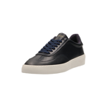 
 | Scotch & Soda | site:scotchandsoda.com "99831930_S69" | 99831930_S69 | Marine | Plakka Leather Sneaker | L3-Licensed Footwear |  | $145.00

